Important Information
Important Information - Please Read

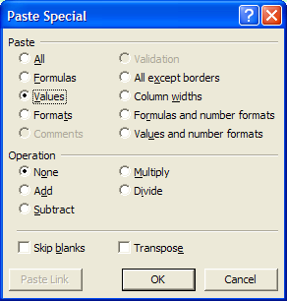
A number of users have reported that data entered into this spreadsheet fails validation.
This may be because the formatting conditions within the cells are being overwritten when data is Pasted into the document.
To circumvent this issue, if you are Pasting data into this document please use the Paste Values option.
To Paste Values, perform the following steps.

 | 1) Copy data from the source file as normal.
 | 2) Select the destination cell(s) for your data to be pasted into.
 | 3) Click the Edit menu.
 | 4) Click Paste Special.
 | 5) If the Paste Special form looks like the screenshot beside this text, click Values (third option down).
 | 6) Click OK.

To continue to the data entry template click the Data Entry Sheet tab below.

